E2E Test cases - Claiming Airsp
TS# | Module/Feature/Test Scenario | Preconditions | TC# | Type of Test case | Test Case | Test Description/Steps | Expected Result | Actual Result | Status | Remarks/Suggestions/Notes
TS1 | Verify if the user can claim an airspace/address | User should be logged into the SkyTrade app and be on the dashboard | TC1 | UI | Verify if the 'Airspaces' menu is present on the dashboard | 1. On the dashboard, check the left hand side navigation bar for the 'Airspaces' menu. | On the dashboard, the 'Airspaces' menu should be present on the left hand side navigation bar. | 1. On the dashboard, the 'Airspaces' menu is present on the left hand side navigation bar. | Pass
 |  |  | TC2 | UI | Verify if the 'Airspaces' menu option is clickable and 'Airspaces' page is opened on clicking it | 1. On the left hand side menu bar on the dashboard, hover over the 'Airspaces' option. | 1. The 'Airspaces' option should be highlighted in blue and the mouse pointer should be shown as a hand pointer. | 1. The 'Airspaces' option is highlighted in blue and the mouse pointer is shown as a hand pointer. | Pass
 |  |  | TC3 | Functional |  | 2. Click on the highlighted 'Airspaces' option. | 2. The 'Airspaces' page should be opened. | 2. The 'Airspaces' page is opened. | Pass
 |  |  | TC4 | UI | Verify the 'Airspaces' page | 1. Check if the following are present on the 'Airspaces' page: - Left hand side menu bar - Search bar for searching an address (to claim it) - An overlay placeholder for all the searched and claimed airspaces (whether pending or reviewed) which can be collapsed or expanded. This should be blank initially - A world map in the background with some default location zoomed into place | The required features/elements should be present on the 'Airspaces' page as expected. | The required features/elements should be present on the 'Airspaces' page as expected (airspaces overlay space is blank initially and some default location is zoomed into place in the background). | Pass
 |  |  | TC5 | Functional | Verify the behaviour of the 'Search' bar by entering a valid address/place | 1. On the 'Search' bar, enter a valid address/place | 1. As soon as the user starts entering a place, a drop down of various matching address options (suggestions) should be visible. 2. Apart from the suggested options, a message saying 'If any of the addresses listed below matches your address, click on it to select' should be shown in red. | 1. As soon as the user starts entering a place, a drop down of various matching address options is visible. 2. The required message is shown in red. | Pass
 |  |  | TC6 | UI | Verify the behaviour by selecting the required address/airspace from the suggested options | 1. Hover over the required address. | The mouse pointer should be shown as a hand pointer. | The mouse pointer is shown as a hand pointer. | Pass
 |  |  | TC7 | Functional |  | 2. Click on the required address. | 1. The searched address should be added to the empty overlay placeholder under the 'Search Result' title and it should have the 'Claim Address' button. It should also have a screenshot of the place as on the map, against it. 2. The default place in the map in the background should be zoomed out, the map should go to the address that was searched and should zoom into that place on the map. | 1. The searched address is added to the empty overlay placeholder under the 'Search Result' title and it has the 'Claim Address' button. It also has a screenshot of the place as on the map, against it. 2. The default place in the map in the background is zoomed out, the map goes to the address that was searched and zooms into that place on the map. | Pass
 |  |  | TC8 | Functional | Verify if the user can claim the searched address/airspace in the above test case | 1. Click on the 'Claim Airspace' button. | An 'Airspace Details' pop-up page should get opened. | An 'Airspace Details' pop-up page is opened. | Pass
 |  |  | TC9 | Functional |  | 2. Enter/Select the following details on the 'Airspace Details' page and click on 'Submit': - Title - Variable Rental Range (per month) - Status - Timezone - Days | A pop-up should get opened stating the details have been submitted and the airspace has been registered successfully. | A pop-up opens stating the details have been submitted and the airspace has been registered successfully. | Pass
 |  |  | TC10 | Functional |  | 3. Click on 'Ok' button on the successful registration pop-up. | User should land on the 'Dashboard'. | User should land on the 'Dashboard'. | Pass
 |  |  | TC11 | UI & Functional |  | 4. Check the count of the 'My Airspace' on the dashboard | The 'My Airspace' count should be increased by 1. | The 'My Airspace' count is increased by 1. | Pass
 |  |  | TC12 | Functional | Verify the 'My Airspace' claimed airspace | 1. On the dashboard, click on the 'My Airspace'. | The user should land on the 'Airspaces' page. The recently added and claimed airspace should be visible with the following: - Given title - Resident Name - Address - Status of the airspace registration (Pending Review or Review Complete) - A world map in the background with some default location zoomed into place | The user lands on the 'Airspaces' page. The recently added airspace is visible with the following: - Given title - Resident Name - Address - Status of the airspace registration (Pending Review) - A world map in the background with some default location zoomed into place | Pass
 |  |  | TC13 | Functional | Verify the behaviour by clicking on the claimed airspace visible under 'Airspaces' on the 'Airspaces' page | 1. Click on the added and claimed airspace. | 1. A pop-up should get opened to its right with the following: - A screenshot of the claimed place as on the map - Title of the claimed space - Edit button icon to edit the Airspace details - Variable Rental Range (per month) - Overview - AirSpace Owner Detail - Resident Name - Email - AirSpace Details - Address - Resident Email - 3D Map 2. The default place on the map in the background should be zoomed out, the map should go to the address that was claimed and should zoom into that place on the map. | 1. A pop-up is opened to its right with the following: - A screenshot of the claimed place as on the map - Title of the claimed space - Edit button icon to edit the Airspace details - Variable Rental Range (per month) - Overview - AirSpace Owner Detail - Resident Name - Email - AirSpace Details - Address - Resident Email - 3D Map 2. The default place on the map in the background is zoomed out, the map goes to the address that was claimed and zooms into that place on the map. | Pass
 | Various branches of the above test cases are possible.
For eg for the Airspace title:
TS2 | Verify the 'Title' field validations under the 'Airspace Details' pop-up page | User should be logged into the app | TC14 | Negative functional | Verify the behaviour by entering negative data on the 'Airspace Details' page | 1. Enter all the required details on the 'Airspaces Details' page but keep the Title blank. | The following should be shown on a pop-up: - Oops. Title cannot be empty | The following is shown on a pop-up: - Oops. Title cannot be empty | Pass
 |  |  | TC15 | Negative functional |  | 2. Enter all the required details on the 'Airspaces Details' page but enter a duplicate title used by the same user. | The following should be shown on a pop-up: - Submitted. Airspace registered successfully | The following is shown on a pop-up: - Submitted. Airspace registered successfully | Pass | Should we put a restriction on giving the same title for an airspace given by the same user?
 |  |  | TC16 | Negative functional |  | 3. Enter all the required details on the 'Airspaces Details' page but enter a duplicate title used by another user | The following should be shown on a pop-up: - Submitted. Airspace registered successfully | The following is shown on a pop-up: - Submitted. Airspace registered successfully | Pass | Should we put a restriction on giving the same title for an airspace given by another user?
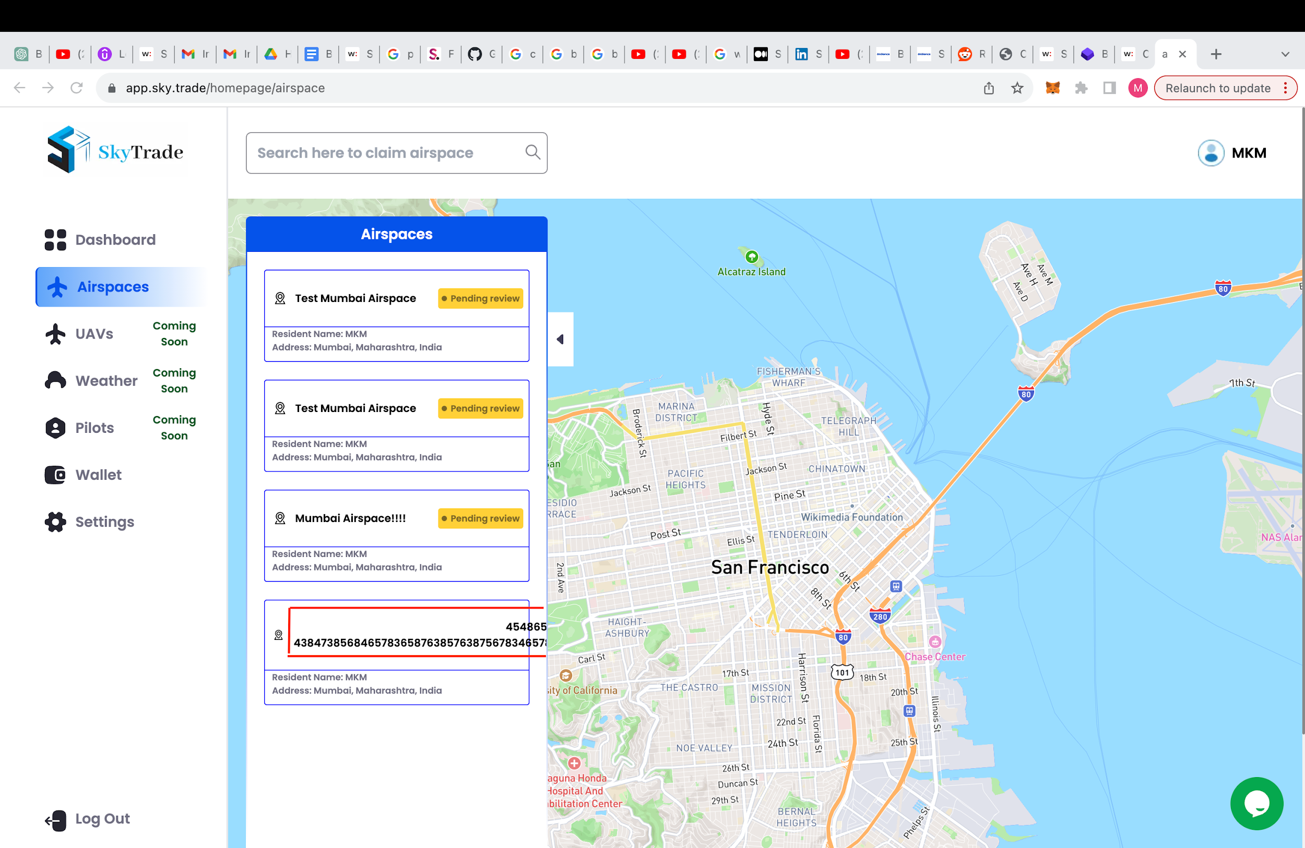
 |  |  | TC17 | Negative functional |  | 3. Enter all the required details on the 'Airspaces Details' page but enter a title that has special characters, numbers, etc in it | The following should be shown on a pop-up: - Submitted. Airspace registered successfully | The following is shown on a pop-up: - Submitted. Airspace registered successfully | Pass | Should we put some field validation here?
 |  |  | TC18 | Negative functional |  | 4. Enter all the required details on the 'Airspaces Details' page but enter a title such that it is very long. | The following should be shown on a pop-up: - Submitted. Airspace registered successfully | The following is shown on a pop-up: - Submitted. Airspace registered successfully | Pass | Should we put some field validation here for the character limit because it disrupts the layout on the Airspaces placeholder? Screenshot attached
For eg for the 3D Map of the claimed address pop-up:
TS3 | Verify the behaviour by clicking on '3D Map' on the claimed address pop-up | User should be logged into the app, an address should have been claimed | TC19 | UI | Verify the behaviour by clicking on '3D Map' on the claimed address pop-up | 1. Hover over the '3D Map'. | The mouse pointer should be shown as a hand pointer. | The mouse pointer is shown as a hand pointer. | Pass
 |  |  | TC20 | Functional |  | 2. Click on the '3D Map' | As per my assumption, the claimed address should be shown in 3D Map. | Nothing changes on the screen. No change in behaviour, | Fail | This functionality is not yet in place.
For eg for Overview of the claimed address pop-up:
TS4 | Verify the behaviour by clicking on 'Overview' on the claimed address pop-up | User should be logged into the app, an address should have been claimed | TC21 | UI | Verify the behaviour by clicking on 'Overview' on the claimed address pop-up | 1. Hover over the 'Overview'. | The mouse pointer should be shown as a hand pointer. | The mouse pointer is shown as a hand pointer. | Pass
 |  |  | TC22 | Functional |  | 2. Click on the 'Overview' | As per my assumption, some overview of the claimed address should be shown. | It gives an error: Application error: a client-side exception has occurred (see the browser console for more information). Some console details: framework-a2363dd3c3dbe572.js:9 Uncaught TypeError: Cannot read properties of undefined (reading 'address') at ew (airspace-badbd0606cc12d5d.js:1:56137) at Object.eU (framework-a2363dd3c3dbe572.js:9:14910) at eH (framework-a2363dd3c3dbe572.js:9:15064) at framework-a2363dd3c3dbe572.js:9:33370 at re (framework-a2363dd3c3dbe572.js:9:33469) at rn (framework-a2363dd3c3dbe572.js:9:33883) at framework-a2363dd3c3dbe572.js:9:39339 at oP (framework-a2363dd3c3dbe572.js:9:96292) at eF (framework-a2363dd3c3dbe572.js:9:14048) at ro (framework-a2363dd3c3dbe572.js:9:35174) | Fail | Screenshot attached | 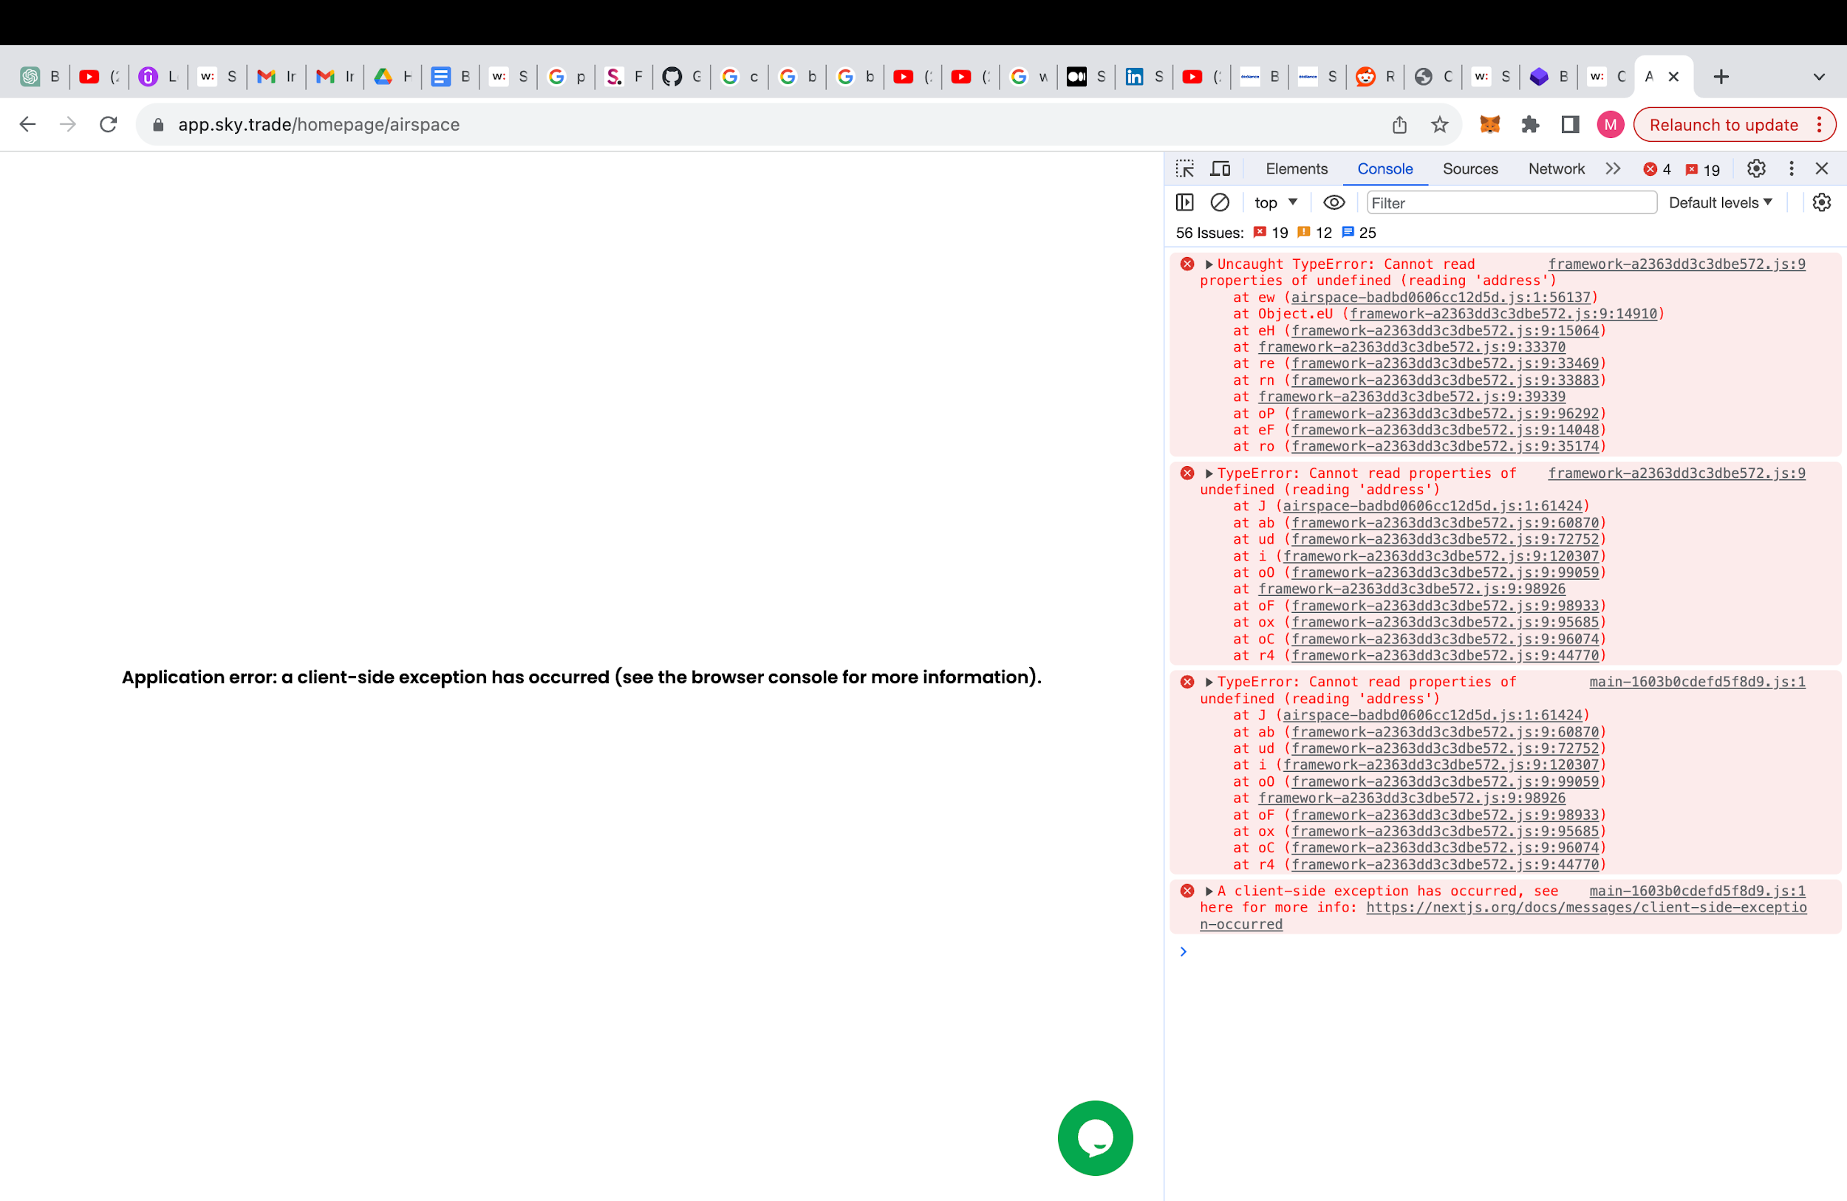
For eg for the status of the claimed airspace after the review is approved/completed:
TS5 | Verify the status of the claimed address after its reviwed is completed successfully | User should be logged into the app, an address should have been claimed and it should have been reviewed successfully | TC23 | Functional | Verify the status of the claimed address after its reviwed is completed successfully | Check the status of the claimed airspace. | The status of the claimed airspace should be 'reviewed successfully' (assuming the status for now). |  | Cannot be executed | This cannot be checked as the status review is not in my hands.

 | Few more observations (other than the ones mentioned above in red under remarks column) while exploring the app:
 | There is no validation of the mobile no given during account creation of the user
 | Right now, the provision for picking and adding the addresses directly from the map for the claim is not available

 | Apart from the search bar test cases above, many more test cases for it are possible which I haven't included due to time limitation.
 | A various combination of data can be provided on the 'Airspace Details' overlay page. I have added only 1 set of data above for demo.
 | Many more test scenarios and test cases (negative as well) are possible within this address claim feature and end-to-end
 | Various other features of the app explored, for which more test cases could be written: - Dashboard - User geographies - News Feed - Wallet - Settings - Logout - Chat - Profile

